QA Validation
S No
1 | Data Asset Name | Application Name
2 | Mega ID | MegaID
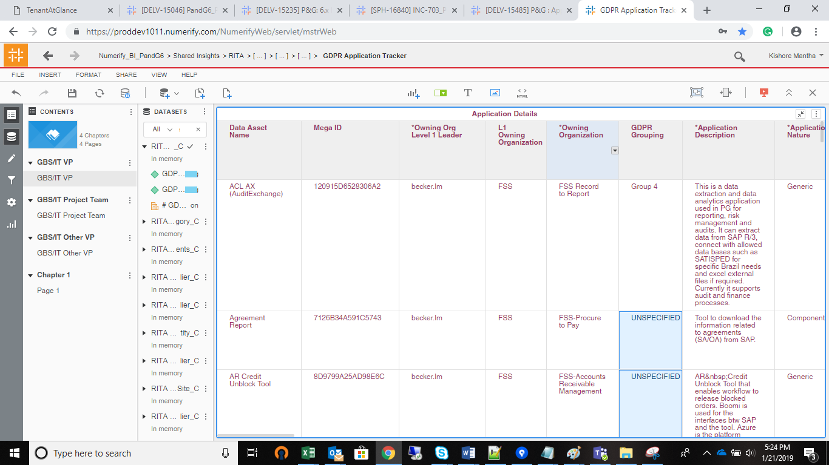
3 | *Owning Org Level 1 Leader | % Completeness | Metric hence provided at end
4 | L1 Owning Organization | *Owning Org Level 1 Leader
5 | *Owning Organization | First 'Mega'[Owning Org Level 1]
6 | *Application Description | *Owning Organization
7 | *Application Nature | Sum of GDPR Grouping | Metric hence provided at end
8 | Application Repository Type | *Application Description
 |  | *Application Nature
9 | *Application Lifecycle Status | Application Repository Type | Multiple Forms
10 | Hosting Type | *Application Lifecycle Status
11 | *P&G Asset Owner | Hosting Type
12 | Vendor Manager | *P&G Asset Owner
13 | *Vendor Qualification | Vendor Application Manager
14 | *Service Operation Supplier Name | *Vendor Qualification
15 | *Service Operation Supplier Code | Service Operations Supplier
16 | *Software Supplier Name | *Service Operations Supplier SAP Code
17 | *Software Supplier Code | Software Supplier
18 | *Technology Supplier Name | *Software Supplier SAP Code
19 | *Technology Supplier Code | Technology Supplier
20 | *Implementation Supplier Name | *Technology Supplier SAP Code
21 | *Implementation Supplier Code | Implementation Supplier
22 | *Other Supplier Name | *Implementation Supplier SAP Code
23 | *Other Supplier Code | Other Suppliers
24 | *PII Data Handled For Specific Business Process | *Other Suppliers SAP Code
25 | *Data Category | *PII Data Handled For Specific Business Process
26 | *In Which Country Are You Collecting PII? | *Data Categories
27 | *LE(s) receiving the services? | *Countries
28 | *Is The PII Data Accessed, Processed, Viewed Outside Of The EU? | *L3 Business Processes | Not Added till now
29 | *Reason For Data Collection | *LE(s) Receiving The Services
30 | *Data Retention Period In Days | *Is The PII Data Accessed, Processed, Viewed Outside Of The EU?
31 | *# of P&G Users With Access | *Reason For Data Collection
32 | *# of 3rd Party Resources With Access | *Data Retention Period In Days
33 | *Volume of Records - EU countries | 1. of P&G Users With Access
34 | *Volume Of Records - ALL countries | 2. of 3rd Party Resources With Access
35 | *Government ID ,Government-issued ID | *Volume of Records - EU countries
36 | *Credit Card Numbers | *Volume Of Records - ALL countries
37 | *Financial Account Number | *Government ID ,Government-issued ID
38 | *Genetic Data | *Credit Card Numbers
39 | *Biometric Data | *Financial Account Number
40 | *Sex Life, Sexual Orientation Questions | *Genetic Data
41 | *Data About Children Under 13 | *Biometric Data
42 | *Criminal Or Judicial Records | *Sex Life, Sexual Orientation Questions
43 | *Precise Geo Location Data | *Data About Children Under 13
44 | *Racial Or Ethnic Origin | *Criminal Or Judicial Records
45 | *Political Opinions, Political Party Affiliation | *Precise Geo Location Data
46 | *Trade Union Membership | *Racial Or Ethnic Origin
47 | *Protected Health Information as Defined By HIPAA | *Political Opinions, Political Party Affiliation
48 | *Other Health Or Medical Data | *Trade Union Membership
49 | *Digital Signature Data | *Protected Health Information as Defined By HIPAA
50 | *Data About Teens Between 13-15 Years Old | *Other Health Or Medical Data
51 | *Consumer Account Username And Password | *Digital Signature Data
52 | *Adverse Medical Event Information | *Data About Teens Between 13-15 Years Old
53 | *Identification Data | *Consumer Account Username And Password
54 | *Electronic Identification Data | *Adverse Medical Event Information
55 | *Personal Characteristics | *Identification Data
56 | *Family Composition | *Electronic Identification Data
57 | *Profession | *Personal Characteristics
58 | *Image/Sound Recordings | *Family Composition
59 | *Automated Decision Making | *Profession
60 | PII for authentication/ authorization only | *Image/Sound Recordings
61 | *Privacy Risk | *Automated Decision Making
62 | IRisk Last Performed | Auth Only
63 | L3 Owning Organizaiton | *Privacy Risk
64 | L3 Owning Organization Leader (AD) | iRisk Last Performed
65 | L2 Owning Organization | Owning Org Level 3
66 | L2 Owning Organization Leader (Dir) | Owning Org Level 3 Leader (AD)
67 | Retired Date(Decommission) | Owning Org Level 2
68 | Last Reviewed Date | Owning Org Level 2 Leader (Dir)
69 | Data Classification | AD
70 | PG CSA Last Performed | Decommissioned Date
71 | % Data Field Completeness | Last Reviewed Date
 |  | Data Classification
 |  | App Management CSA Last Performed
 |  | InfoSec Classification
 |  | App Mgr Email
 |  | ease Hyperlink

